Statistics & Graph
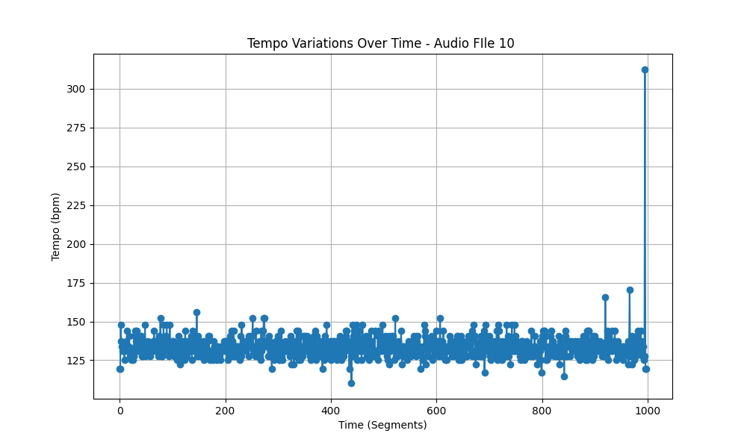
Metric | Value
Mean | 133.61855978
Standard Deviation | 8.1804890465
Coefficient of Variation (CV) | 6.1222700347

